Sheet1
I-Connect User Access & Change Request Form

User Details
Name of User:
Job Role:
Internal /External User?
Email Address of User:
Single Payroll Provider or Multiple Payroll Provider (MPP or SPP):
Access Type (On-line or File upload):
Access Roles (Tick all that apply):
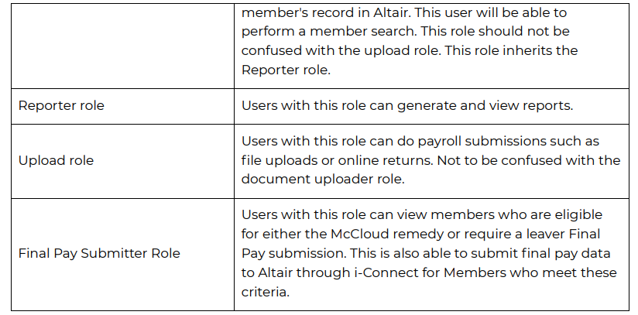
Payroll Data Uploader
HR
Document Uploader
Reporter
Leaver final pay submitter
McCloud final pay submitter
Name of Employer(s):
Employer Number(s):
When do you want this User set up by:

External Approval
*Name of Person with i-conect overall responsibility:
Date authorisation provided:

Internal Approval (Systems use only)
Name of colleague who provided internal verification check:
Date verification provided:
Date Provided Access:

Once fully complete, please email to Pensystems@westnorthants.gov.uk. Once the User has been set up, you will be notified by e-mail. Access will be reviewed on a 6 monthly basis.

NB: SYSTEMS TO ENSURE DETAILS ARE LOGGED ON THE I-CONNECT USER LOG

